LabTnd
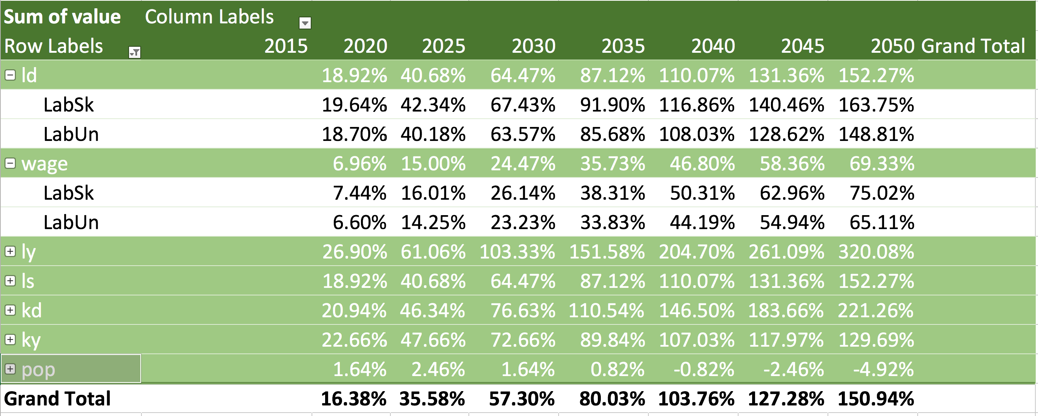
Scenario | BAU

Sum of value | Column Labels
Row Labels | 2015 | 2020 | 2025 | 2030 | 2035 | 2040 | 2045 | 2050 | Grand Total
ld |  | 7.46% | 14.35% | 20.24% | 24.02% | 25.72% | 24.94% | 22.52%
LabSk |  | 8.32% | 16.34% | 23.73% | 29.18% | 32.42% | 32.91% | 31.45%
LabUn |  | 7.15% | 13.61% | 18.96% | 22.12% | 23.25% | 22.00% | 19.23%
wage |  | 59.40% | 168.89% | 369.05% | 684.72% | 1115.15% | 1583.61% | 2055.00%
LabSk |  | 72.19% | 217.50% | 513.32% | 1038.63% | 1830.26% | 2783.76% | 3822.41%
LabUn |  | 54.51% | 150.28% | 313.83% | 549.25% | 841.42% | 1124.21% | 1378.46%
ly |  | 68.15% | 194.86% | 425.25% | 776.74% | 1232.93% | 1682.86% | 2082.45%
ls |  | 7.46% | 14.35% | 20.24% | 24.02% | 25.72% | 24.94% | 22.52%
kd |  | 22.92% | 53.63% | 95.77% | 150.63% | 214.24% | 279.01% | 336.61%
ky |  | 19.94% | 38.76% | 50.03% | 44.41% | 30.53% | 10.66% | -6.77%
Grand Total |  | 21.97% | 50.39% | 87.58% | 133.10% | 185.21% | 236.90% | 282.77%

